Hiearchy View
CLASS: MATRIX CODE GENERATOR
a device that creates two-dimensional code consisting of black and white "cells" or dots arranged in either a square or rectangular pattern, also known as a matrix. |  | 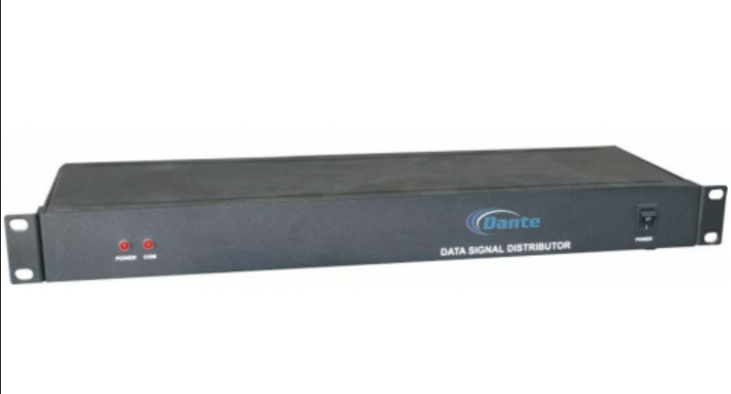
REMOVE | N

PROBLEM_DESC | CAUSE_DESC | REMEDY_DESC
ALARM/SENSOR
BROKEN/DAMAGED
NOISE
OTHER PROBLEM
OVERHEATING
POWER-ELEC
STOPPED/SLOWED/POOR OPS
TEMP-CTRL
VIBRATION
Grand Total

